Bug Report Template Examples
Bug ID | Bug Title | Steps To Reproduce | Expected Result | Actual Result | Severity | Priority | Environment | Reporter | Assigned To | Attachments | Status
Bug- Admin Panel - 1 | Partial Translation Issue | 1- open "https://phptravels.net/dashboard" 2- click on "English" button 3- Select any language u want | The whole page fully translated into the selected language | Page is partailly converted to the changed language | high | High |  | Mohamed Hegazy | Frontend Team |  | Open
Bug- Admin Panel - 2 | Payment failure | 1- open "https://phptravels.net/dashboard" 2- click on Eye icon 3- Select "fawakerk" as a payment method 4- click on "Pay with Fawaterak" | Sucessful payment | API returns an error, ``` Payment initialization failed: Invalid Token or inactive vendor. HTTP Code: 400 ``` | critical | High |  | Mohamed Hegazy | Backend Team | 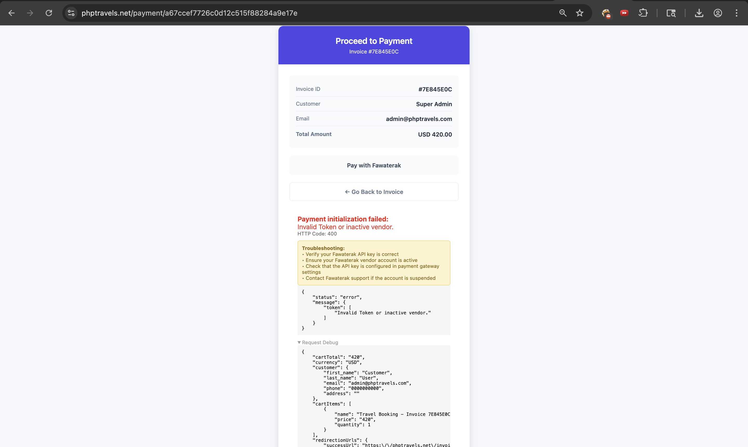 | Open
Bug- Admin Panel - 3 | Transaction_id is not fully shown | 1- open "https://phptravels.net/dashboard" 2- click on Eye icon 3- Transaction_id will be shown | Transaction_id will be shown normally | The Transaction ID appears truncated, a part of it is not shown | medium | medium |  | Mohamed Hegazy | Frontend Team | 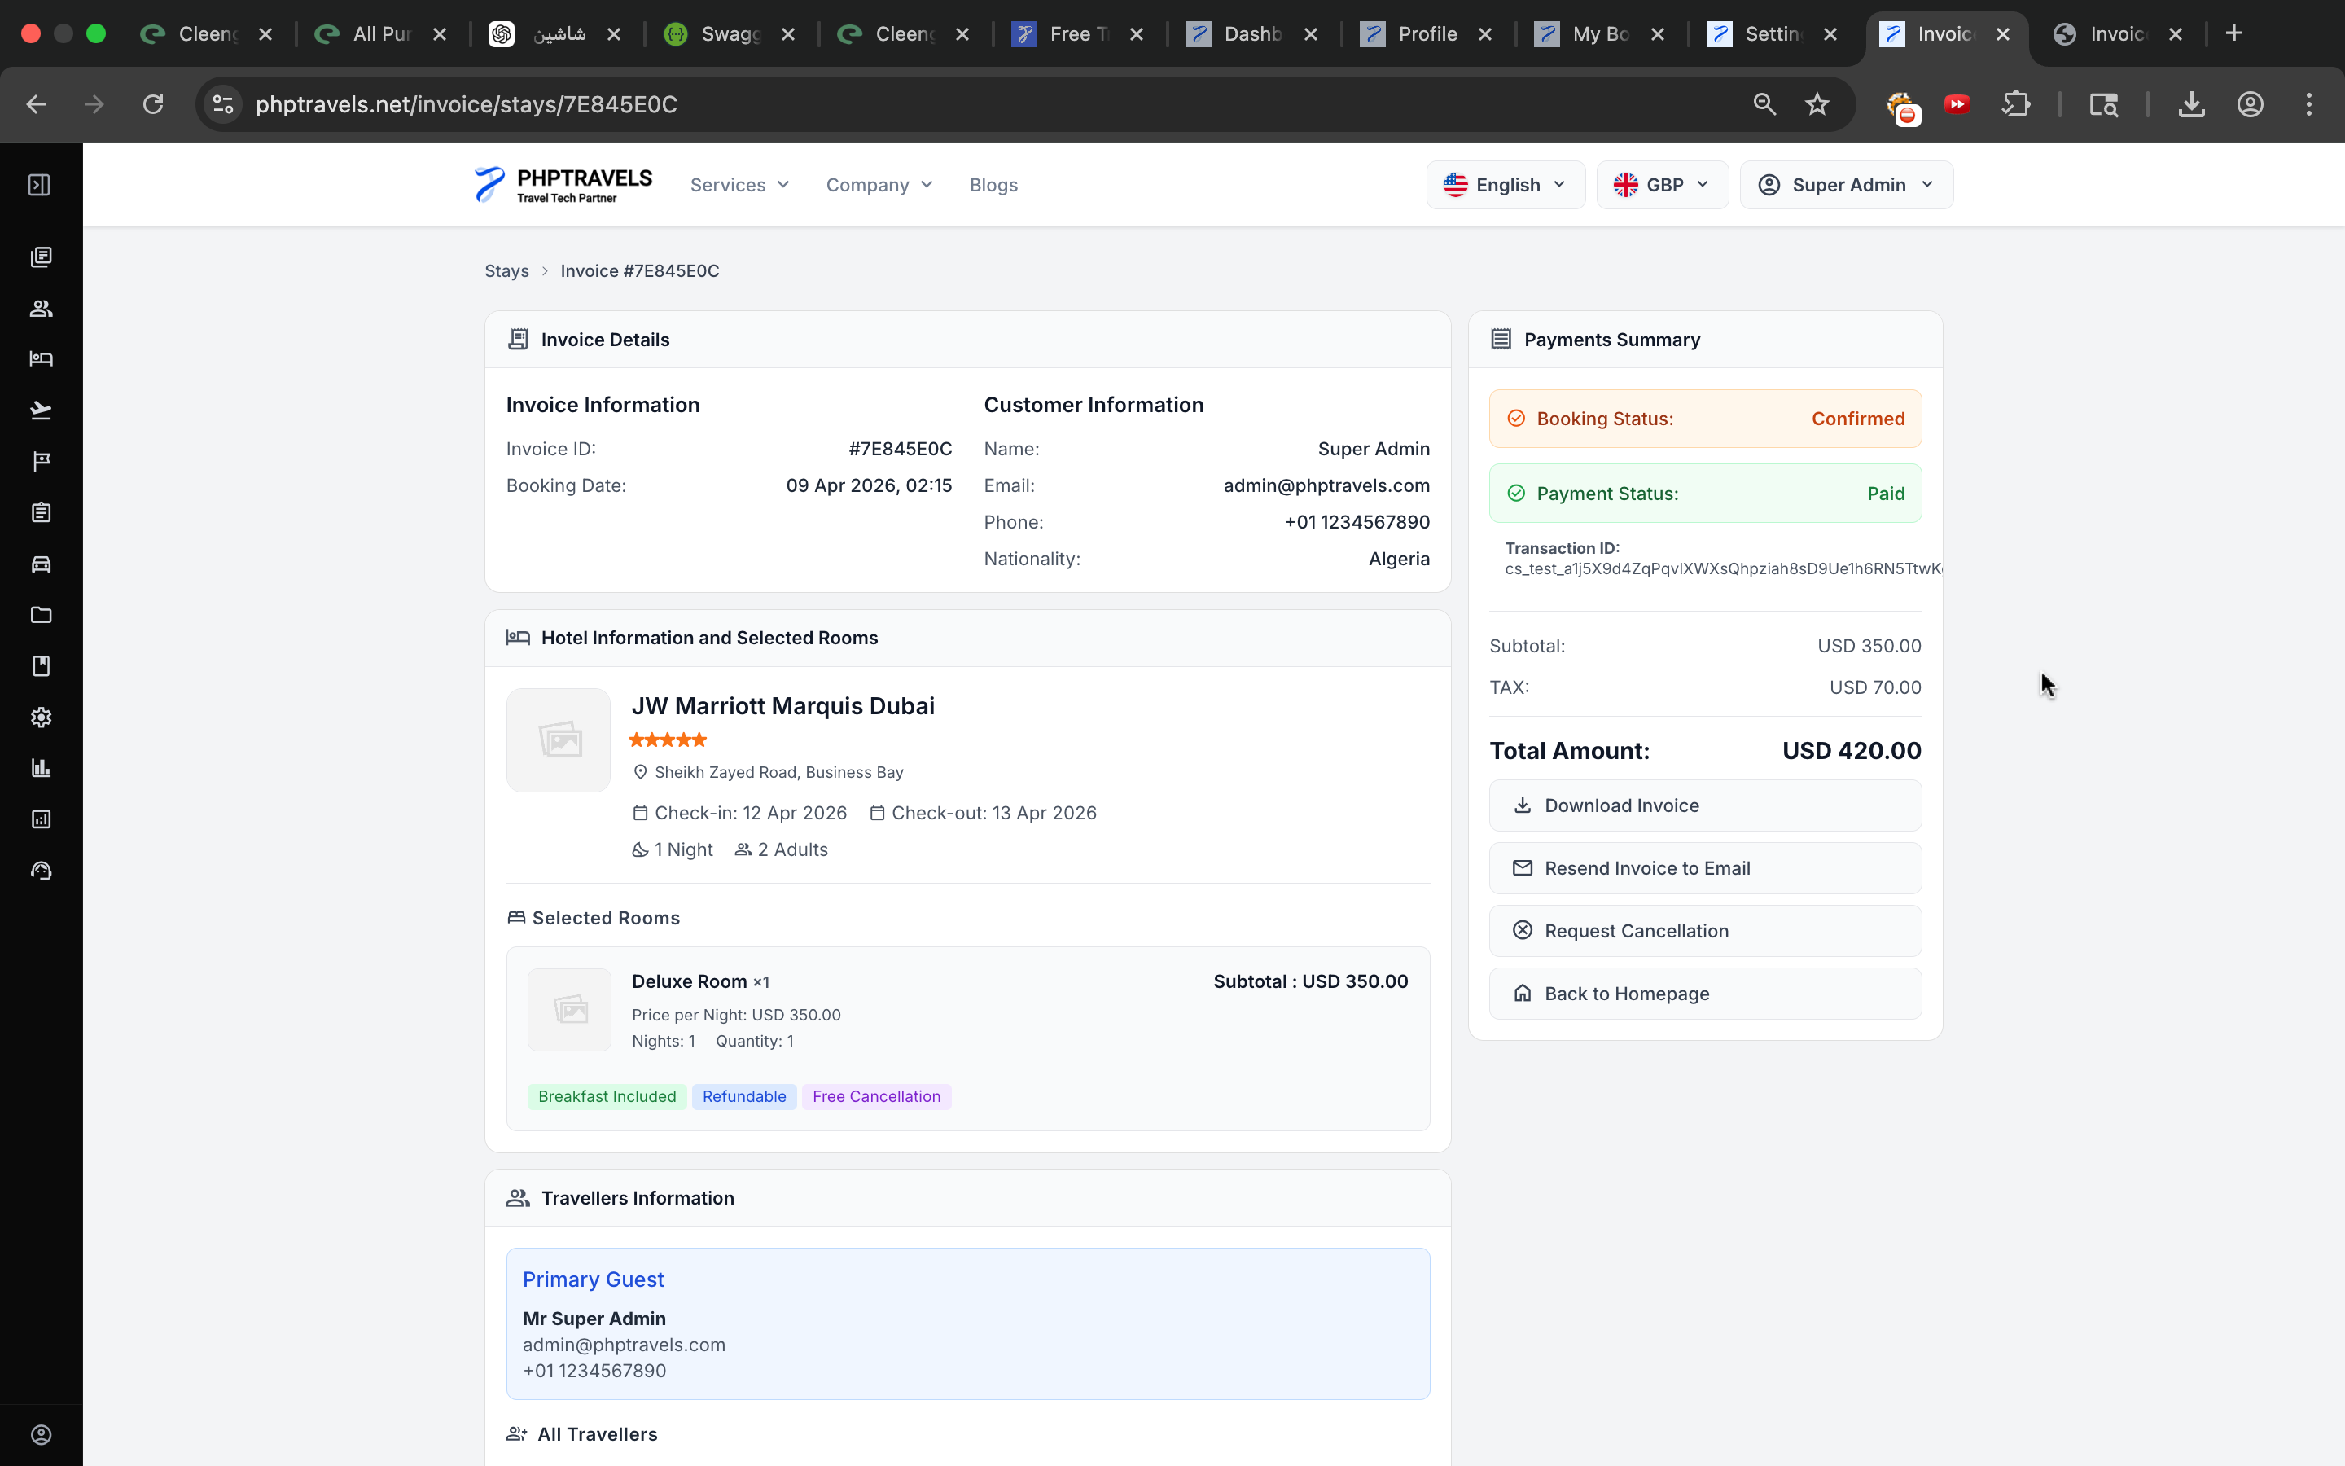 | Open
Bug- Admin Panel - 4 | Date is not fully shown | 1- open "https://phptravels.net/bookings" 2- Click on "All Bookings" | date will be shown normally | The Date appears truncated, a part of it is not shown | medium | medium |  | Mohamed Hegazy | Frontend Team |  | Open
Bug- Admin Panel - 5 | Changing Currency Not Updating Price | 1- open "https://phptravels.net/admin/bookings" 2- Click on Eye icon 3- Click on "USD" and change it to EGP | Prices should be updated based on the selected currency. | Prices are still displayed in USD. | high | High |  | Mohamed Hegazy | Backend Team |  | Open
Bug- Admin Panel - 6 | Receipt is Accessible Without Authentication | 1- open "https://phptravels.net/invoice/stays/7E845E0C" 2- reciept is viewable | Users should be logged in to be able to access receipts. | receipt is visible without login | medium | medium |  | Mohamed Hegazy | Backend Team |  | Open
Bug- Admin Panel - 7 | Change Password is Not Working | 1- open "https://phptravels.net/profile" 2- Go to change password section 3- Enter Current password 4- Enter New Password & Confirm Password 5- Press "Update Password" | Password should be updated. | user get an error, "An error occurred: empty" | high | high |  | Mohamed Hegazy | Backend Team |  | Open
Bug- Admin Panel - 8 | Automatic Tab Switching After reloading | 1- open "https://phptravels.net/admin/settings#seo" 2- Click on SEO tab 3- reload the page | reload the seo section and view it | Auto switching to general tab with hiding the content of general tab | high | high |  | Mohamed Hegazy | frontend Team |  | Open
Bug- Admin Panel - 9 | Any Settings changing Failure | 1- open "https://phptravels.net/admin/settings#contact" 2- Click on contact tab 3- change the value of "Contact Phone" to "+123456799" | Settings updated sucessfully | failure with error message "Error updating settings: Failed to save theme configuration" | high | high |  | Mohamed Hegazy | backend Team |  | Open
Bug- Admin Panel - 10 | Sitemap regenerating Failure | 1- open "https://phptravels.net/admin/settings#seo" 2- Click on SEO tab 3- from sitemap section, select generate | sitemap generated successfully | failure with error message "Failed to write sitemap.xml file. Check directory permissions." | high | high |  | Mohamed Hegazy | backend Team |  | Open

